Sheet1
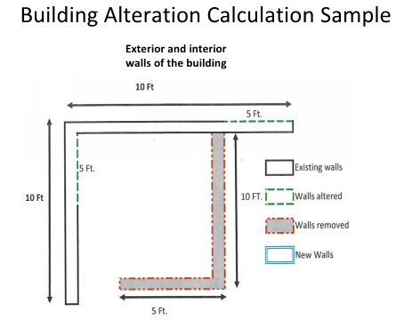

ALAMEDA COUNTY BUILDING INSPECTION DEPARTMENT
Date:
Project Address:
Building Pemit Number
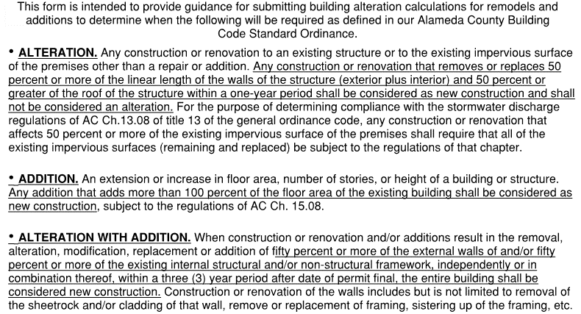

 | STEP | ACTION | UNIT
ALTERATION | 1 | Total length of all walls of original existing building - interior & exterior (shared walls only measured once) | LINEAR FEET | 35
 | 2 | Length of walls to be reframed during remodel of the building. (I.e. Reframing of existing structural stud wall) | LINEAR FEET | 10
 | 3 | Length of walls to be permanently removed (not reframed) during remodel of the building. | LINEAR FEET | 15
 | 4 | Length of new walls (not yet included in Steps 2, 3 or 9). | LINEAR FEET | 0
 | 5 | Add results of Steps 2, 3, and 4. | LINEAR FEET | 25
 | 6 | Divide total of Step 5 by total of Step 1. | PERCENTAGE | 71%

ADDITION | 8 | Total floor area of original existing building. (1st floor, 2nd floor, basement, etc.) | SQUARE FEET | 1000
 | 9 | Total square footage of addition, if applicable. Combine the new square footage of addition (1st floor, 2nd floor, basement, etc.) | SQUARE FEET | 0
 | 10 | Divide the total of step 9 by step 8. | PERCENTAGE | 0.0%

ALTERATION WITH ADDITION | 12 | When any combination of step 6 and 10 are greater than 50%, then the structure shall be considered 'new construction' |  | New Construction

IS YOUR PROJECT CONSIDERED 'NEW CONSTRUCTION' AS DEFINED IN THE BUILDING CODE STANDARD ORDINANCE? |  |  |  | YES

